FY21 Billing Rates
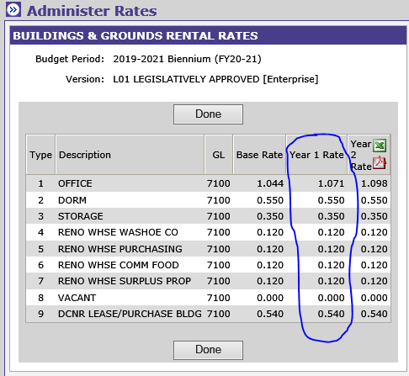
Type | Description | Rate
1 | Office | $1.098
2 | Dorm | $0.550
3 | Storage | $0.350
4 | Reno Whse Washoe Co | $0.120
5 | Reno Whse Purchasing | $0.120
6 | Reno Whse Comm Food | $0.120
7 | Reno Whse Surplus Prop | $0.120
8 | Vacant | $-
9 | DCNR Lease/Purchase Bldg | $0.540

10 | Outdoor Storage | $0.04
11 | Unusable Space | $-

