FY22 Billing Rates
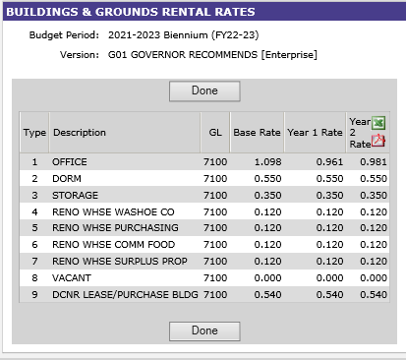
Type | Description | Rate
1 | Office | $0.961
2 | Dorm | $0.550
3 | Storage | $0.350
4 | Reno Whse Washoe Co | $0.120
5 | Reno Whse Purchasing | $0.120
6 | Reno Whse Comm Food | $0.120
7 | Reno Whse Surplus Prop | $0.120
8 | Vacant | $-
9 | DCNR Lease/Purchase Bldg | $0.540

10 | Outdoor Storage | $0.04
11 | Unusable Space | $-

 | FY 22 | ASD Billing Schedule |  | Base = FY21
 | Q1 | 07/01/21 - 09/30/21 | 2021-08-14 | Year 1 = FY22
 | Q2 | 10/01/21 - 12/31/21 | 2021-11-13 | Year 2 = FY23
 | Q3 | 01/01/22 - 03/30/22 | 2022-02-19
 | Q4 | 04/01/22 - 06/30/22 | 2022-05-14

